Sheet1
Product Code | Style | Description | Colour | Size | Carton Quantities | APN | Inventory | RRP AUS $ | Converted to sterling (roughly)

WOR/WW/759610 | Y04065 | HV2T TECASAFE SHRT | ONA | S | 15 | 9343168759610 | 20 | $150.00 | £85.50 | 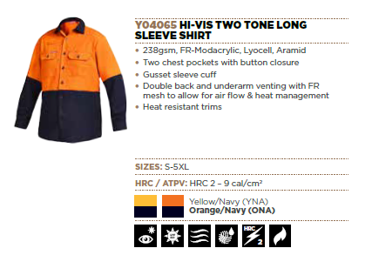
WOR/WW/580917 | Y04065 | HV2T TECASAFE SHRT | ONA | M | 15 | 9343168580917 | 453 | $150.00 | £85.50
WOR/WW/580900 | Y04065 | HV2T TECASAFE SHRT | ONA | L | 15 | 9343168580900 | 1132 | $150.00 | £85.50
WOR/WW/580924 | Y04065 | HV2T TECASAFE SHRT | ONA | XL | 15 | 9343168580924 | 801 | $150.00 | £85.50
WOR/WW/580931 | Y04065 | HV2T TECASAFE SHRT | ONA | 2XL | 15 | 9343168580931 | 550 | $150.00 | £85.50
WOR/WW/580948 | Y04065 | HV2T TECASAFE SHRT | ONA | 3XL | 15 | 9343168580948 | 285 | $150.00 | £85.50
WOR/WW/580955 | Y04065 | HV2T TECASAFE SHRT | ONA | 4XL | 15 | 9343168580955 | 161 | $150.00 | £85.50
WOR/WW/580962 | Y04065 | HV2T TECASAFE SHRT | ONA | 5XL | 15 | 9343168580962 | 91 | $150.00 | £85.50

WOR/WW/759627 | Y04065 | HV2T TECASAFE SHRT | YNA | S | 15 | 9343168759627 | 302 | $150.00 | £85.50
WOR/WW/580986 | Y04065 | HV2T TECASAFE SHRT | YNA | M | 15 | 9343168580986 | 995 | $150.00 | £85.50
WOR/WW/580979 | Y04065 | HV2T TECASAFE SHRT | YNA | L | 15 | 9343168580979 | 567 | $150.00 | £85.50
WOR/WW/580993 | Y04065 | HV2T TECASAFE SHRT | YNA | XL | 15 | 9343168580993 | 874 | $150.00 | £85.50
WOR/WW/581006 | Y04065 | HV2T TECASAFE SHRT | YNA | 2XL | 15 | 9343168581006 | 438 | $150.00 | £85.50
WOR/WW/581020 | Y04065 | HV2T TECASAFE SHRT | YNA | 4XL | 15 | 9343168581020 | 266 | $150.00 | £85.50
WOR/WW/581037 | Y04065 | HV2T TECASAFE SHRT | YNA | 5XL | 15 | 9343168581037 | 4 | $150.00 | £85.50

WOR/WW/759597 | Y04066 | HV2T TECASAFE SHRTRT | ONA | S | 15 | 9343168759597 | 460 | $160.00 | £91.20 | 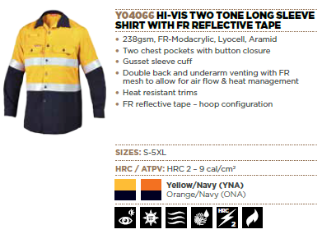
WOR/WW/580771 | Y04066 | HV2T TECASAFE SHRTRT | ONA | M | 15 | 9343168580771 | 1394 | $160.00 | £91.20
WOR/WW/580764 | Y04066 | HV2T TECASAFE SHRTRT | ONA | L | 15 | 9343168580764 | 2618 | $160.00 | £91.20
WOR/WW/580788 | Y04066 | HV2T TECASAFE SHRTRT | ONA | XL | 15 | 9343168580788 | 1275 | $160.00 | £91.20
WOR/WW/580795 | Y04066 | HV2T TECASAFE SHRTRT | ONA | 2XL | 15 | 9343168580795 | 283 | $160.00 | £91.20
WOR/WW/580801 | Y04066 | HV2T TECASAFE SHRTRT | ONA | 3XL | 15 | 9343168580801 | 412 | $160.00 | £91.20
WOR/WW/580818 | Y04066 | HV2T TECASAFE SHRTRT | ONA | 4XL | 15 | 9343168580818 | 34 | $160.00 | £91.20
WOR/WW/580825 | Y04066 | HV2T TECASAFE SHRTRT | ONA | 5XL | 15 | 9343168580825 | 16 | $160.00 | £91.20

WOR/WW/759603 | Y04066 | HV2T TECASAFE SHRTRT | YNA | S | 15 | 9343168759603 | 225 | $160.00 | £91.20
WOR/WW/580849 | Y04066 | HV2T TECASAFE SHRTRT | YNA | M | 15 | 9343168580849 | 1032 | $160.00 | £91.20
WOR/WW/580832 | Y04066 | HV2T TECASAFE SHRTRT | YNA | L | 15 | 9343168580832 | 1838 | $160.00 | £91.20
WOR/WW/580856 | Y04066 | HV2T TECASAFE SHRTRT | YNA | XL | 15 | 9343168580856 | 1401 | $160.00 | £91.20
WOR/WW/580863 | Y04066 | HV2T TECASAFE SHRTRT | YNA | 2XL | 15 | 9343168580863 | 766 | $160.00 | £91.20
WOR/WW/580870 | Y04066 | HV2T TECASAFE SHRTRT | YNA | 3XL | 15 | 9343168580870 | 3255 | $160.00 | £91.20
WOR/WW/580887 | Y04066 | HV2T TECASAFE SHRTRT | YNA | 4XL | 15 | 9343168580887 | 2239 | $160.00 | £91.20
WOR/WW/580894 | Y04066 | HV2T TECASAFE SHRTRT | YNA | 5XL | 15 | 9343168580894 | 1262 | $160.00 | £91.20

WOR/WW/910212 | Y04200 | HV2T TCGN HR2 SHIRT | ONA | S | 20 | 9319856910212 | 77 | $180.00 | £102.60 | 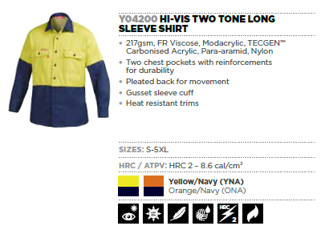
WOR/WW/910205 | Y04200 | HV2T TCGN HR2 SHIRT | ONA | M | 20 | 9319856910205 | 182 | $180.00 | £102.60
WOR/WW/910199 | Y04200 | HV2T TCGN HR2 SHIRT | ONA | L | 20 | 9319856910199 | 300 | $180.00 | £102.60
WOR/WW/910229 | Y04200 | HV2T TCGN HR2 SHIRT | ONA | XL | 20 | 9319856910229 | 344 | $180.00 | £102.60
WOR/WW/910236 | Y04200 | HV2T TCGN HR2 SHIRT | ONA | 2XL | 20 | 9319856910236 | 157 | $180.00 | £102.60
WOR/WW/910243 | Y04200 | HV2T TCGN HR2 SHIRT | ONA | 3XL | 20 | 9319856910243 | 69 | $180.00 | £102.60
WOR/WW/910250 | Y04200 | HV2T TCGN HR2 SHIRT | ONA | 4XL | 20 | 9319856910250 | 36 | $180.00 | £102.60
WOR/WW/910267 | Y04200 | HV2T TCGN HR2 SHIRT | ONA | 5XL | 20 | 9319856910267 | 40 | $180.00 | £102.60

WOR/WW/910137 | Y04200 | HV2T TCGN HR2 SHIRT | YNA | S | 20 | 9319856910137 | 46 | $180.00 | £102.60
WOR/WW/910120 | Y04200 | HV2T TCGN HR2 SHIRT | YNA | M | 20 | 9319856910120 | 98 | $180.00 | £102.60
WOR/WW/910113 | Y04200 | HV2T TCGN HR2 SHIRT | YNA | L | 20 | 9319856910113 | 135 | $180.00 | £102.60
WOR/WW/910144 | Y04200 | HV2T TCGN HR2 SHIRT | YNA | XL | 20 | 9319856910144 | 113 | $180.00 | £102.60
WOR/WW/910151 | Y04200 | HV2T TCGN HR2 SHIRT | YNA | 2XL | 20 | 9319856910151 | 85 | $180.00 | £102.60
WOR/WW/910168 | Y04200 | HV2T TCGN HR2 SHIRT | YNA | 3XL | 20 | 9319856910168 | 45 | $180.00 | £102.60
WOR/WW/910175 | Y04200 | HV2T TCGN HR2 SHIRT | YNA | 4XL | 20 | 9319856910175 | 29 | $180.00 | £102.60
WOR/WW/910182 | Y04200 | HV2T TCGN HR2 SHIRT | YNA | 5XL | 20 | 9319856910182 | 39 | $180.00 | £102.60

WOR/WW/910366 | Y04201 | HV2T TGN HR2 SHIRT T | ONA | M | 20 | 9319856910366 | 185 | $250.00 | £142.50 | 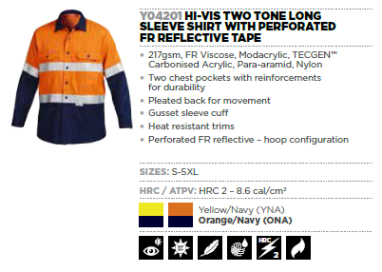
WOR/WW/910359 | Y04201 | HV2T TGN HR2 SHIRT T | ONA | L | 20 | 9319856910359 | 269 | $250.00 | £142.50
WOR/WW/910380 | Y04201 | HV2T TGN HR2 SHIRT T | ONA | XL | 20 | 9319856910380 | 413 | $250.00 | £142.50
WOR/WW/910397 | Y04201 | HV2T TGN HR2 SHIRT T | ONA | 2XL | 20 | 9319856910397 | 109 | $250.00 | £142.50
WOR/WW/910403 | Y04201 | HV2T TGN HR2 SHIRT T | ONA | 3XL | 20 | 9319856910403 | 115 | $250.00 | £142.50
WOR/WW/910410 | Y04201 | HV2T TGN HR2 SHIRT T | ONA | 4XL | 20 | 9319856910410 | 65 | $250.00 | £142.50
WOR/WW/910427 | Y04201 | HV2T TGN HR2 SHIRT T | ONA | 5XL | 20 | 9319856910427 | 104 | $250.00 | £142.50

WOR/WW/910298 | Y04201 | HV2T TGN HR2 SHIRT T | YNA | S | 20 | 9319856910298 | 47 | $250.00 | £142.50
WOR/WW/910281 | Y04201 | HV2T TGN HR2 SHIRT T | YNA | M | 20 | 9319856910281 | 100 | $250.00 | £142.50
WOR/WW/910274 | Y04201 | HV2T TGN HR2 SHIRT T | YNA | L | 20 | 9319856910274 | 281 | $250.00 | £142.50
WOR/WW/910304 | Y04201 | HV2T TGN HR2 SHIRT T | YNA | XL | 20 | 9319856910304 | 333 | $250.00 | £142.50
WOR/WW/910311 | Y04201 | HV2T TGN HR2 SHIRT T | YNA | 2XL | 20 | 9319856910311 | 140 | $250.00 | £142.50
WOR/WW/910328 | Y04201 | HV2T TGN HR2 SHIRT T | YNA | 3XL | 20 | 9319856910328 | 80 | $250.00 | £142.50
WOR/WW/910335 | Y04201 | HV2T TGN HR2 SHIRT T | YNA | 4XL | 20 | 9319856910335 | 59 | $250.00 | £142.50
WOR/WW/910342 | Y04201 | HV2T TGN HR2 SHIRT T | YNA | 5XL | 20 | 9319856910342 | 63 | $250.00 | £142.50
 |  |  |  |  |  |  | 29607

